Sheet1
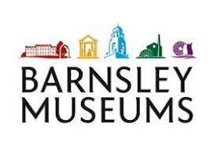
 | ARTIST WORK COMMISSION CALCULATION:

 | There are two methods of calculating the best price for your work, either calculated from a suggested RRP (A) or by establishing how much you would like to be paid from each sale (B) Please enter your details into the yellow boxes of these comission calculators to see your anticipated income or RRP, based on 35% +VAT (42% overall) commission.

 |  | enter amount here:
A | The RRP of the work is | £- | Barnsley Museums will take this much commission | £- | The artist will take home this much income | £-

 |  | enter amount here:
B | The artist would like to take home this much income | £- | The RRP (retail price) will be (rounded up to the nearest whole pound) | £- | Barnsley Museums will take this much commission | £-

 | Calculations-
 | to find BMBC commission, use the retail price x0.42
 | to find retail price from cost price /0.58

